pivot tables
Sum of Total Sales | Sum of Units Sold | Average of Price per Unit | Sum of Operating Profit
$12,016,665 | 24,788,610 | $0.45 | $4,722,497

Sum of Total Sales | Column Labels
Row Labels | 2022 | 2023 | Grand Total
Coca-Cola | $499,102 | $2,268,975 | $2,768,077 | Coca-Cola | 499102 | 2268974.9 | 2768076.9
Dasani Water | $469,271 | $1,917,828 | $2,387,098 | Dasani Water | 469270.7 | 1917827.8 | 2387098.5
Diet Coke | $423,759 | $1,633,959 | $2,057,718 | Diet Coke | 423758.7 | 1633959.3 | 2057718
Fanta | $315,489 | $1,116,063 | $1,431,552 | Fanta | 315489.2 | 1116062.9 | 1431552.1
Powerade | $349,534 | $1,302,529 | $1,652,063 | Powerade | 349533.9 | 1302529.3 | 1652063.2
Sprite | $366,578 | $1,353,578 | $1,720,156 | Sprite | 366578 | 1353578.3 | 1720156.3
Grand Total | $2,423,733 | $9,592,933 | $12,016,665 | Grand Total | 2423732.5 | 9592932.5 | 12016665

Sum of Total Sales | Column Labels
Row Labels | 2022 | 2023 | Grand Total
Amazon | $276,210 | $1,009,699 | $1,285,909
BevCo | $466,788 | $2,327,607 | $2,794,395
FizzyCo | $161,210 | $2,262,827 | $2,424,037
Target | $9,250 | $1,341,995 | $1,351,245
Walmart | $339,913 | $580,211 | $920,124
West Soda | $1,170,362 | $2,070,594 | $3,240,956
Grand Total | $2,423,732 | $9,592,933 | $12,016,665

Years (Invoice Date) | Quarters (Invoice Date) | Sum of Total Sales | Average of Operating Margin
2022 | Qtr1 | $692,776 | 40% | 2022 | Qtr1 | 692776.1 | 40%
 | Qtr2 | $644,204 | 40% | 0 | Qtr2 | 644203.9 | 40%
 | Qtr3 | $719,170 | 41% | 0 | Qtr3 | 719170.4 | 41%
 | Qtr4 | $367,582 | 40% | 0 | Qtr4 | 367582.1 | 40%
2023 | Qtr1 | $1,877,584 | 42% | 2023 | Qtr1 | 1877584.3 | 42%
 | Qtr2 | $2,379,425 | 43% | 0 | Qtr2 | 2379424.8 | 43%
 | Qtr3 | $2,805,753 | 43% | 0 | Qtr3 | 2805752.5 | 43%
 | Qtr4 | $2,530,171 | 42% | 0 | Qtr4 | 2530170.9 | 42%
Grand Total |  | $12,016,665 | 42%

Dashboard
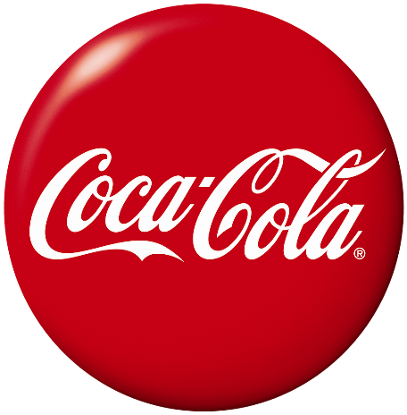
Coco-Cola Retailer Dashboard
Figures in USD

Total Sales
Units Sold
Average Price
Total Operating Profit

$1,20,16,665
2,47,88,610
$0.45
$47,22,497

Sales By Beverage Brand |  |  |  | Sales By Retailer
Brand | Sales 2022 | Sales 2023 | Variance | Brand | Sales 2022 | Sales 2023 | Variance
Coca-Cola | $499,102 | $2,268,975 | $1,769,873 | Amazon | $276,210 | $1,009,699 | $733,489
Dasani Water | $469,271 | $1,917,828 | $1,448,557 | BevCo | $466,788 | $2,327,607 | $1,860,819
Diet Coke | $423,759 | $1,633,959 | $1,210,201 | FizzyCo | $161,210 | $2,262,827 | $2,101,617
Fanta | $315,489 | $1,116,063 | $800,574 | Target | $9,250 | $1,341,995 | $1,332,745
Powerade | $349,534 | $1,302,529 | $952,995 | Walmart | $339,913 | $580,211 | $240,299
Sprite | $366,578 | $1,353,578 | $987,000 | West Soda | $1,170,362 | $2,070,594 | $900,233
Total | $2,423,733 | $9,592,933 | $7,169,200 | Total | $2,423,732 | $9,592,933 | $7,169,200

Sales and Operating Profit Margin by Quarter
 | Sales | Operating Profit Margin
Qtr1 | 692776.1 | 40%
Qtr2 | 644203.9 | 40%
Qtr3 | 719170.4 | 41%
Qtr4 | 367582.1 | 40%
Qtr1 | 1877584.3 | 42%
Qtr2 | 2379424.8 | 43%
Qtr3 | 2805752.5 | 43%
Qtr4 | 2530170.9 | 42%

Last Updated on Nov 2024

